HSIO
PCIe Controller | FIA | Lane# | PCIe Port # | PCIe Bifurcation |  |  | SATA Port # | Gbe # | USB3.1 Host Port # | Root Port # | LNREV | RPCFG | Board Config | USB3 speed | ClkReq # | ClkSrc # | Connector type | Remarks
PCD-S PXPA Gen5 (2px8) | FIA-P5x8 | 1 | PCIE_A0 |  | x8 | x4 |  |  |  | 1 | No | 1x4 | PCIe Gen5 | NA | GPP_SB_8_SRCCLKREQ4_B (srcclkreq4_b) | CLKOUT_PCD_GEN5_4 (xxclkout_src4_p/n) | M.2 KEY-M | M.2 NVMe SSD #1 *Boot SSD with I3C support
 |  | 2 | PCIE_A1 |  |  |  |  |  |  |  |  |  |  | NA
 |  | 3 | PCIE_A2 |  |  |  |  |  |  |  |  |  |  | NA
 |  | 4 | PCIE_A3 |  |  |  |  |  |  |  |  |  |  | NA
 |  | 5 | PCIE_A4 |  |  | x4 |  |  |  | 2 | Yes | 1x4 | PCIe Gen5 | NA | GPP_SD_7_SRCCLKREQ2_B (srcclkreq2_b) | CLKOUT_PCD_GEN5_2 (xxclkout_src2_p/n) | M.2 KEY-M | M.2 NVMe SSD #2 (lane reversal)
 |  | 6 | PCIE_A5 |  |  |  |  |  |  |  |  |  |  | NA
 |  | 7 | PCIE_A6 |  |  |  |  |  |  |  |  |  |  | NA
 |  | 8 | PCIE_A7 |  |  |  |  |  |  |  |  |  |  | NA
PCD-S PXPB Gen5 (4px16) | FIA-P5x16 | 9 | PCIE_B0 | x16 | x8 | x4 |  |  |  | 3 | No | 1x8 | PCIe Gen5 | NA | GPP_SB_14_SRCCLKREQ0_B (srcclkreq0_b) | CLKOUT_PCD_GEN5_0 (xxclkout_src0_p/n) | PCIe CEM x8 connector | x8PCIe Gen5 CEM Slot #1 (PCD-S)
 |  | 10 | PCIE_B1 |  |  |  |  |  |  |  |  |  |  | NA
 |  | 11 | PCIE_B2 |  |  |  |  |  |  |  |  |  |  | NA
 |  | 12 | PCIE_B3 |  |  |  |  |  |  |  |  |  |  | NA
 |  | 13 | PCIE_B4 |  |  | x4 |  |  |  |  |  |  |  | NA
 |  | 14 | PCIE_B5 |  |  |  |  |  |  |  |  |  |  | NA
 |  | 15 | PCIE_B6 |  |  |  |  |  |  |  |  |  |  | NA
 |  | 16 | PCIE_B7 |  |  |  |  |  |  |  |  |  |  | NA
 |  | 17 | PCIE_B8 |  | x8 | x4 |  |  |  | 4 | No | 1x8 | PCIe Gen5 | NA | GPP_SD6_SRCCLKREQ1_N (srcclkreq1_b) | CLKOUT_PCD_GEN5_1 (xxclkout_src1_p/n) | PCIe CEM x8 connector | x8 PCIe Gen5 CEM Slot #2 (PCD-S)
 |  | 18 | PCIE_B9 |  |  |  |  |  |  |  |  |  |  | NA
 |  | 19 | PCIE_B10 |  |  |  |  |  |  |  |  |  |  | NA
 |  | 20 | PCIE_B11 |  |  |  |  |  |  |  |  |  |  | NA
 |  | 21 | PCIE_B12 |  |  | x4 |  |  |  |  |  |  |  | NA
 |  | 22 | PCIE_B13 |  |  |  |  |  |  |  |  |  |  | NA
 |  | 23 | PCIE_B14 |  |  |  |  |  |  |  |  |  |  | NA
 |  | 24 | PCIE_B15 |  |  |  |  |  |  |  |  |  |  | NA
PCD-S DMI Gen5 (1px4) | FIA-D |  | DMI_0 | x4 | x2 | x1 |  |  |  |  | No | x4 | DMI Gen5 | NA | GPP_SB_7_PCD_DMICLKREQ_B (pcd_dmiclkreq_b) | CLKOUT_PCD_GEN5_DMI (xxclkout_dmi_p/n) | N/A | PCD-S to PCH interface
 |  |  | DMI_1 |  |  |  |  |  |  |  |  |  |  | NA
 |  |  | DMI_2 |  |  |  |  |  |  |  |  |  |  | NA
 |  |  | DMI_3 |  |  |  |  |  |  |  |  |  |  | NA

PXPA (Gen4 4px4) | FIA_PGS | 1 | PCIE Gen4 A0 | x4 | x2 | x1 |  |  |  | 1 | No | x4 | PCIe Gen4 | NA | GPP_E_10_SRCCLKREQB_7 (PCH_SRCCLKREQB_7) | CLKOUT_PCH_SRC7; (CLKOUT_PCH_SRC7_p/n) | PCIe CEM x4 | x4 PCIe Gen4 CEM Slot #2 (PCH) Brown Bear AIC
 |  | 2 | PCIE Gen4 A1 |  |  | x1 |  |  |  |  |  |  |  | NA
 |  | 3 | PCIE Gen4 A2 / GbE LAN |  | x2 | x1 |  | GbE |  |  |  |  |  | NA
 |  | 4 | PCIE Gen4 A3 |  |  | x1 |  |  |  |  |  |  |  | NA
PXPB (Gen4 4px4) |  | 5 | PCIE Gen4 B0_SATA0 | x4 | x2 | x1 | SATA_0 |  |  | 5 | No | x2 | PCIe | NA | GPP_H_1_PCH_SRCCLKREQB_8 (PCH_SRCCLKREQB_8) | CLKOUT_PCH_SRC8; (CLKOUT_PCH_SRC8_p/n) | PCIe CEM x4 | x2 PCIe Gen4 CEM Slot #3 (PCH) * Foxville LAN AIC supported w/ SMLink 0
 |  | 6 | PCIE Gen4 B1_SATA1 |  |  | x1 | SATA_1 |  |  |  |  |  | PCIe | NA
 |  | 7 | PCIE Gen4 B2_SATA2 / GbE LAN |  | x2 | x1 | SATA_2 | GbE |  | 7 | NA | NA | GbE | NA | GPP_C_3_PCH_SRCCLKREQB_0 (PCH_SRCCLKREQB_0) | CLKOUT_PCH_SRC0 (CLKOUT_PCH_SRC0_p/n)) | RJ45 LAN Port | Gbe LAN Jacksonville
 |  | 8 | PCIE Gen4 B3_SATA3 |  |  | x1 | SATA_3 |  |  | 8 | NA | x1 | PCIe | NA | GPP_C_4_PCH_SRCCLKREQB_1 (PCH_SRCCLKREQB_1) | CLKOUT_PCH_SRC1 (CLKOUT_PCH_SRC1_p/n) | M.2 KEY-E | M.2 KEY-E WLAN/BT
PXPC (Gen4 4px4) |  | 9 | PCIE Gen4 C0_SATA4 | x4 | x2 | x1 | SATA_4 |  |  |  | NA |  | SATA | NA | NA | NA | SATA | SATA Cable Connect Vertical P1
 |  | 10 | PCIE Gen4 C1_SATA5 |  |  | x1 | SATA_5 |  |  |  | NA |  | SATA | NA | NA | NA | SATA | SATA Cable Connect Vertical P2
 |  | 11 | PCIE Gen4 C2_SATA6 / GbE LAN |  | x2 | x1 | SATA_6 | GbE |  |  | NA |  | SATA | NA | NA | NA | SATA | SATA Cable Connect Vertical P3
 |  | 12 | PCIE Gen4 C3_SATA7 |  |  | x1 | SATA_7 |  |  |  | NA |  | SATA | NA | NA | NA | SATA | SATA Cable Connect Vertical P4
PXPD (Gen5 2px4) | FIA_P5 | 13 | PCIE Gen5 D0 | x4 | x2 | NA |  |  |  | 13 | No | x4 | PCIe Gen5 | NA | GPP_H_3_SRCCLKREQB_10 (PCH_SRCCLKREQB_10) | CLKOUT_PCH_SRC10; (CLKOUT_PCH_SRC10_p/n) | M.2 KEY-M | M.2 NVMe SSD #4 (Backside)
 |  | 14 | PCIE Gen5 D1 |  |  | NA |  |  |  |  |  |  |  | NA
 |  | 15 | PCIE Gen5 D2 |  | x2 | NA |  |  |  |  |  |  |  | NA
 |  | 16 | PCIE Gen5 D3 |  |  | NA |  |  |  |  |  |  |  | NA
PXPE (Gen5 4px4) | FIA_P5Xa | 17 | PCIE Gen5 E0 | x4 | x2 | x1 |  |  |  | 15 | Yes | x4 | PCIe Gen5 | NA | GPP_H_2_SRCCLKREQB_9 (PCH_SRCCLKREQB_9) | CLKOUT_PCH_SRC9; (CLKOUT_PCH_SRC9_p/n) | M.2 KEY-M | M.2 NVMe SSD #3 (Top side)
 |  | 18 | PCIE Gen5 E1 |  |  | x1 |  |  |  |  |  |  |  | NA
 |  | 19 | PCIE Gen5 E2 |  | x2 | x1 |  |  |  |  |  |  |  | NA
 |  | 20 | PCIE Gen5 E3 |  |  | x1 |  |  |  |  |  |  |  | NA
PXPF (Gen5 4px4) | FIA_P5Xb | 21 | PCIE Gen5 F0 | x4 | x2 | x1 |  |  |  | 19 | No | x4 | PCIe Gen5 | NA | GPP_E_9_PCH_SRCCLKREQB_6 (PCH_SRCCLKREQB_6) | CLKOUT_PCH_SRC6; (CLKOUT_PCH_SRC6_p/n) | PCIe CEM x4 | x4 PCIe Gen5 CEM Slot #1 (PCH)
 |  | 22 | PCIE Gen5 F1 |  |  | x1 |  |  |  |  |  |  |  | NA
 |  | 23 | PCIE Gen5 F2 |  | x2 | x1 |  |  |  |  |  |  |  | NA
 |  | 24 | PCIE Gen5 F3 |  |  | x1 |  |  |  |  |  |  |  | NA
DMI (Gen5 1px4) | FIA_D |  | PCH_DMI_0 | x4 | x2* | x1 |  |  |  |  | No | x4 | DMI Gen5 | NA | PCD_DMICLKREQ_PCH_N (DMI_CLKREQB) | DMI_REFCLK_DP/DN (DMI_REFCLKN1/DMI_REFCLKP1) | N/A | PCD-S to PCH interface
 |  |  | PCH_DMI_1 |  |  |  |  |  |  |  |  |  |  | NA
 |  |  | PCH_DMI_2 |  |  |  |  |  |  |  |  |  |  | NA
 |  |  | PCH_DMI_3 |  |  |  |  |  |  |  |  |  |  | NA
FIA-U U1 PCH USB3, x4 | FIA_U | USB3_1 |  |  |  |  |  |  | USB3.1 P1 |  |  |  | USB | USB 3.2 Gen2x2 | NA | NA | Type C | Internal USB 3.2 Gen2x2 Vertical Type-C
 |  | USB3_2 |  |  |  |  |  |  | USB3.1 P2 |  |  |  | USB |  | NA | NA
 |  | USB3_3 |  |  |  |  |  |  | USB3.1 P3 |  |  |  | USB | USB3.2 Gen2 | NA | NA | Type A | BP USB3.2 Gen2x1 R-A Type-A 1 with re-driver
 |  | USB3_4 |  |  |  |  |  |  | USB3.1 P4 |  |  |  | USB | USB3.2 Gen2 | NA | NA | Type A | BP USB3.2 Gen2x1 R-A Type-A 2 with re-driver
FIA-U U2 PCH USB3, x2 |  | USB3_5 |  |  |  |  |  |  | USB3.1 P5 |  |  |  | USB | USB3.2 Gen2 | NA | NA | Type A | BP USB3.2 Gen2x1 R-A Type-A 3 with re-driver
 |  | USB3_6 |  |  |  |  |  |  | USB3.1 P6 |  |  |  | USB | USB3.2 Gen2 | NA | NA | Type A | BP USB3.2 Gen2x1 R-A Type-A 4 with re-driver
FIA-U U3 PCH USB3, x4 |  | USB3_7 |  |  |  |  |  |  | USB3.1 P7 |  |  |  | USB | USB 3.2 Gen2x2 | NA | NA | Type C | FP USB3.2 Gen2x2 Type-C with re-timer/cc logic on AIC
 |  | USB3_8 |  |  |  |  |  |  | USB3.1 P8 |  |  |  | USB |  | NA | NA
 |  | USB3_9 |  |  |  |  |  |  | USB3.1 P9 |  |  |  | USB | USB3.2 Gen2 | NA | NA | Type A | USB3.2 Gen2x1 Vertical Type A 1 (w/o Redriver)
 |  | USB3_10 |  |  |  |  |  |  | USB3.1 P10 |  |  |  | USB | USB3.2 Gen2 | NA | NA | Type A | USB3.2 Gen2x1 Vertical Type A 2 (w/o Redriver)

NVPS BDF | https://docs.intel.com/documents/pch_doc/NVL/PCH/HAS/Chap28_NVL_PCH_PCIe_Integration_HAS/Chap28_NVL_PCH_PCIe_Integration_HAS.html#nvps-bdf
NVPS BDF | https://docs.intel.com/documents/pch_doc/NVL/PCH/HAS/Chap06_NVP-S_RegMaps/assets/Chap06_NVP-S_RegMaps.xlsx
PCD-S BDF | https://docs.intel.com/documents/pch_doc/NVL/PCD-S/HAS/Chap28_NVL_PCD_PCIe_Integration_HAS/Chap28_NVL_PCD_PCIe_Integration_HAS.html#overview-of-bios-requirements
PCD-S BDF | https://docs.intel.com/documents/ClientSilicon/NVL/global/NVL_PCD_Addr_BDF_DID_HAS/NVL_PCD_RegMaps.html#global-device-ids

 | *DMI width can be restricted to x2 or x1 for product sku purpose. x2 is used in value sku.

NVL_PCD_RegMaps.xlsx

Chap06_NVP-S_RegMaps.xlsx

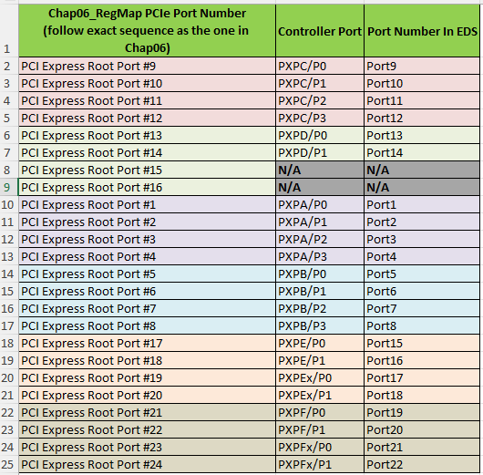
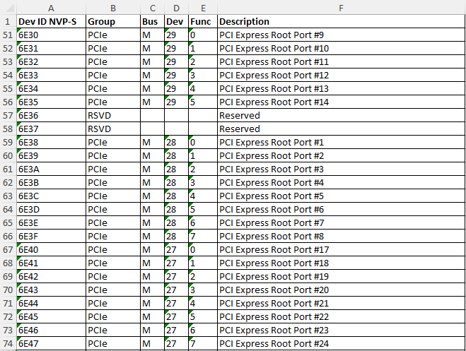

 |  |  |  |  |  |  |  |  |  |  |  | ClkReq #
Connector Type |  |  | ModPhy Selection |  |  |  | USB 3.X Speed |  |  |  |  | NA
NA |  |  | Disable |  |  |  | NA |  |  |  |  | CLKREQ0
Type C |  |  | USB |  |  |  | USB 3.0 |  |  |  |  | CLKREQ1
Micro AB |  |  | SSIC |  |  |  | USB 3.1 |  |  |  |  | CLKREQ2
Type A |  |  | PCIe |  |  |  |  |  |  |  |  | CLKREQ3
Type B |  |  | SATA |  |  |  |  |  |  |  |  | CLKREQ4
Express Card/M.2 S2 |  |  | Gbe |  |  |  |  |  |  |  |  | CLKREQ5
M.2 Key B |  |  | Gpio - SATA(0)/PCIe(1) |  |  |  |  |  |  |  |  | CLKREQ6
M.2 Key E |  |  | Gpio - SATA(1)/PCIe(0)
M.2 Key M

DISP
S031 UDIMM 2DPC
Default Configuration (NVL-S)
DDI Ball Name | DDI Port Name | Connector Type | Remarks | AUX | DDC | HPD
DDI3 | DDI3 (TC3) | HDMI2.1 | HDMI2.1 with 12G Limited Redriver | NA | GPP_SB2_DDP3_CTRLCLK_IEH_FATAL_ERR2_B GPP_SB3_DDP3_CTRLDATA_DSI_DE_TE_2_GENLOCK_REF | GPP_SD_13_DDSP_HPD3_DISP_MISC3
DDI2 | DDI4 (TC4) | DP2.1 | DP2.1 with UHBR20 Retimer | DDI4_AUX | NA | GPP_SD14_DDSP_HPD4_DISP_MISC4

 | Default Display ID
 | 0110

 |  | EC I/O EXP | Display
 | Display ID [1:0] | IO0_[5:4] (DDI3/DDI3)
 |  | 00 | eDP
 |  | 01 | DP
 |  | 10 | HDMI
 |  | 11 | Reserved
 | Display ID [3:2] | IO0_[7:6] (DDI4)
 |  | 00 | eDP
 |  | 01 | DP
 |  | 10 | HDMI
 |  | 11 | Reserved

S021/S022 UDIMM 1DPC
Default Configuration (NVL-S)
DDI Ball Name | DDI Port Name | Connector Type | Remarks | AUX | DDC | HPD
DDI3 | DDI3 (TC3) | DP2.1 | DP2.1 (UHBR20) with re-timer | DDI3_AUX | NA | GPP_SD_13_DDSP_HPD3_DISP_MISC3
 | DDIA | eDP | eDP HBR3 (rework option) |  | NA
DDI2 | DDI4 (TC4) | HDMI2.1 | HDMI2.1 with Limited Redriver | NA | GPP_SB_4_DDP4_CTRLCLK_IEH_CORR_ERR0_B GPP_SB_5_DDP4_CTRLDATA_IEH_NONFATAL_ERR1_B | GPP_SD14_DDSP_HPD4_DISP_MISC4

 | Default Display ID | Reworked Display ID
 | 1001 | 1000

 |  | Note: The text highlighted in Red needs rework to enable
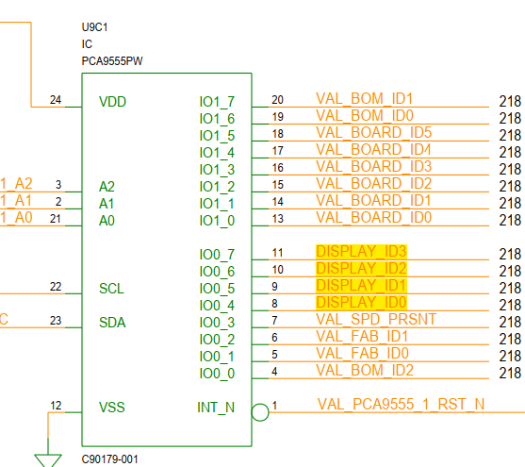
 |  | EC I/O EXP | Display
 | Display ID [1:0] | IO0_[5:4] (DDI3/DDI3)
 |  | 00 | eDP
 |  | 01 | DP
 |  | 10 | HDMI
 |  | 11 | Reserved
 | Display ID [3:2] | IO0_[7:6] (DDI4)
 |  | 00 | eDP
 |  | 01 | DP
 |  | 10 | HDMI
 |  | 11 | Reserved

S011/S012 UDIMM 1DPC
Default Configuration (NVL-S)
DDI Ball Name | DDI Port Name | Connector Type | Remarks | AUX | DDC | HPD
DDI3 | DDI3 (TC3) | DP2.1 | DP2.1 with UHBR20 Retimer | DDI3_AUX | NA | GPP_SD_13_DDSP_HPD3_DISP_MISC3
 | DDIA | eDP | eDP HBR3 (rework option) |  | NA
DDI2 | DDI4 (TC4) | DP2.1 | DP2.1 with UHBR20 Retimer | DDI4_AUX | NA | GPP_SD_14_DDSP_HPD4_DISP_MISC4

 | Default Display ID | Reworked Display ID
 | 0101 | 0100

 |  | Note: The text highlighted in Red needs rework to enable

 |  | EC I/O EXP | Display
 | Display ID [1:0] | IO0_[5:4] (DDI3/DDI3)
 |  | 00 | eDP
 |  | 01 | DP
 |  | 10 | HDMI
 |  | 11 | Reserved
 | Display ID [3:2] | IO0_[7:6] (DDI4)
 |  | 00 | eDP
 |  | 01 | DP
 |  | 10 | HDMI
 |  | 11 | Reserved

S041 SODIMM 1DPC
Default Configuration (NVL-S)
DDI Ball Name | DDI Port Name | Connector Type | Remarks | AUX | DDC | HPD
DDI3 | DDI3 (TC3) | DP2.1 | DP2.1 UHBR10 Main Link (rework option) | DDI3_AUX | GPP_SB2_DDP3_CTRLCLK_IEH_FATAL_ERR2_B GPP_SB3_DDP3_CTRLDATA_DSI_DE_TE_2_GENLOCK_REF | GPP_SD_13_DDSP_HPD3_DISP_MISC3
 |  | eDP | eDP HBR3 |  | NA
DDI2 | DDI4 (TC4) | DP2.1 | DP2.1 with UHBR20 Retimer | DDI4_AUX | NA | GPP_SD_14_DDSP_HPD4_DISP_MISC4

 | Default Display ID | Reworked Display ID
 | 0100 | 0101

 |  | Note: The text highlighted in Red needs rework to enable

 |  | EC I/O EXP | Display
 | Display ID [1:0] | IO0_[5:4] (DDI3/DDI3)
 |  | 00 | eDP
 |  | 01 | DP
 |  | 10 | HDMI
 |  | 11 | Reserved
 | Display ID [3:2] | IO0_[7:6] (DDI4)
 |  | 00 | eDP
 |  | 01 | DP
 |  | 10 | HDMI
 |  | 11 | Reserved

S051 UDIMM 1DPC OC
Default Configuration (NVL-S)
DDI Ball Name | DDI Port Name | Connector Type | Remarks | AUX | DDC | HPD
DDI3 | DDI3 (TC3) | DP2.1 | DP2.1 UHBR10 Main Link | DDI3_AUX | GPP_SB2_DDP3_CTRLCLK_IEH_FATAL_ERR2_B GPP_SB3_DDP3_CTRLDATA_DSI_DE_TE_2_GENLOCK_REF | GPP_SD_13_DDSP_HPD3_DISP_MISC3
DDI2 | DDI4 (TC4) | HDMI2.1 | HDMI CR 1.65G Topology | NA | GPP_SB_4_DDP4_CTRLCLK_IEH_CORR_ERR0_B GPP_SB_5_DDP4_CTRLDATA_IEH_NONFATAL_ERR1_B | GPP_SD_14_DDSP_HPD4_DISP_MISC4

 | Default Display ID
 | 1001

 |  | EC I/O EXP | Display
 | Display ID [1:0] | IO0_[5:4] (DDI3/DDI3)
 |  | 00 | eDP
 |  | 01 | DP
 |  | 10 | HDMI
 |  | 11 | Reserved
 | Display ID [3:2] | IO0_[7:6] (DDI4)
 |  | 00 | eDP
 |  | 01 | DP
 |  | 10 | HDMI
 |  | 11 | Reserved

S061 HSIO UDIMM 1DPC
Default Configuration (NVL-S)
DDI Ball Name | DDI Port Name | Connector Type | Remarks | AUX | DDC | HPD
DDI3 | DDI3 (TC3) | DP2.1 | DP2.1 UHBR10 Main Link | DDI3_AUX | GPP_SB2_DDP3_CTRLCLK_IEH_FATAL_ERR2_B GPP_SB3_DDP3_CTRLDATA_DSI_DE_TE_2_GENLOCK_REF | GPP_SD_13_DDSP_HPD3_DISP_MISC3
DDI2 | DDI4 (TC4) | HDMI2.1 | HDMI2.1 with 12G Retimer | NA | GPP_SB_4_DDP4_CTRLCLK_IEH_CORR_ERR0_B GPP_SB_5_DDP4_CTRLDATA_IEH_NONFATAL_ERR1_B | GPP_SD_14_DDSP_HPD4_DISP_MISC4

 | Default Display ID
 | 1001

 |  | Note: The text highlighted in Red needs rework to enable

 |  | EC I/O EXP | Display
 | Display ID [1:0] | IO0_[5:4] (DDI3/DDI3)
 |  | 00 | eDP
 |  | 01 | DP
 |  | 10 | HDMI
 |  | 11 | Reserved
 | Display ID [3:2] | IO0_[7:6] (DDI4)
 |  | 00 | eDP
 |  | 01 | DP
 |  | 10 | HDMI
 |  | 11 | Reserved

